Sprint Tracker 1
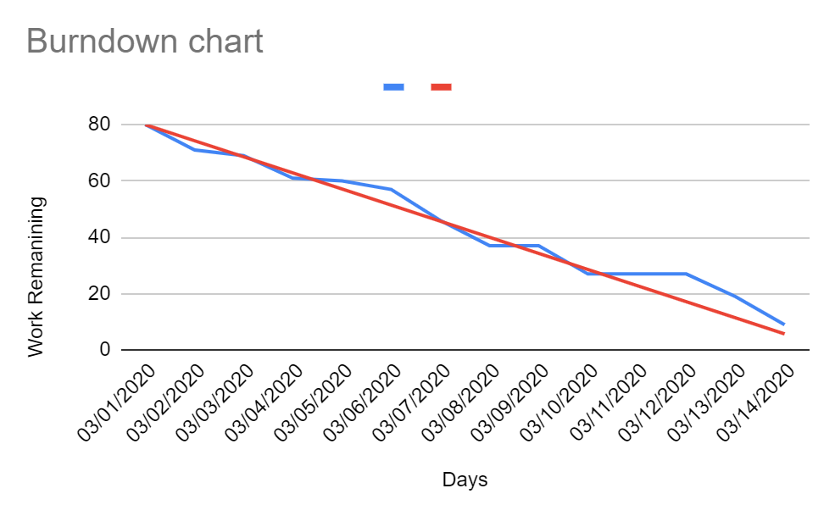
March 1st -14th |  |  |  |  | Week #1 (10 hrs / week) |  |  |  |  |  |  | Week #2 (10 hrs / week) |  |  |  |  |  |  | Week #3 (10 hrs / week) |  |  | Week #4 (10 hrs / week)
Backlog Item | Task | Task Owner | Initial Estimate (Total Sprint Hours = 20 x 4) |  | D1 | D2 | D3 | D4 | D5 | D6 | D7 | D8 | D9 | D10 | D11 | D12 | D13 | D14 |  |  |  | Ideal
 |  |  |  | Date | 2021-03-01 | 2021-03-02 | 2021-03-03 | 2021-03-04 | 2021-03-05 | 2021-03-06 | 2021-03-07 | 2021-03-08 | 2021-03-09 | 2021-03-10 | 2021-03-11 | 2021-03-12 | 2021-03-13 | 2021-03-14 |  | Dates | 80 | 80
 |  |  |  |  |  |  |  |  |  |  |  |  |  |  |  |  |  |  |  | 03/01/2020 | 71 | 74.285714286 | Ideal Burndown
 |  |  | 80 | Remaining Work | 71 | 69 | 61 | 60 | 57 | 46 | 37 | 37 | 27 | 27 | 27 | 19 | 9 | 0 |  | 03/02/2020 | 69 | 68.571428571 | Remaining Hrs (Total)
Assign Individual Functionality | Design Architecture | Vishal | 10 |  | 9 | 9 | 8 | 8 | 8 | 6 | 5 | 5 | 3 | 3 | 3 | 1 | 0 | 0 |  | 03/03/2020 | 61 | 62.857142857
 | Design User Interface | Vamsi | 10 |  | 8 | 8 | 7 | 7 | 7 | 5 | 4 | 4 | 2 | 2 | 2 | 1 | 0 | 0 |  | 03/04/2020 | 60 | 57.142857143
 | Develop Back-End Architecture | Vishal | 8 |  | 7 | 7 | 7 | 6 | 5 | 5 | 4 | 4 | 2 | 2 | 2 | 2 | 2 | 0 |  | 03/05/2020 | 57 | 51.428571429
 | Develop Front-End Structure | Sri Hari | 10 |  | 9 | 9 | 7 | 7 | 7 | 4 | 3 | 3 | 1 | 1 | 1 | 1 | 1 | 0 |  | 03/06/2020 | 46 | 45.714285714
 | Analyze Unit Testing | Dhanasree | 10 |  | 8 | 8 | 6 | 6 | 6 | 6 | 5 | 5 | 5 | 5 | 5 | 3 | 2 | 0 |  | 03/07/2020 | 37 | 40
 | Develop Database Design | Dhanasree | 10 |  | 8 | 8 | 8 | 8 | 8 | 6 | 6 | 6 | 5 | 5 | 5 | 4 | 2 | 0 |  | 03/08/2020 | 37 | 34.285714286
 | Write Documentation | Sri Hari | 10 |  | 10 | 10 | 8 | 8 | 8 | 8 | 5 | 5 | 5 | 5 | 5 | 4 | 1 | 0 |  | 03/09/2020 | 27 | 28.571428571
Develop Base Code | Scrum Organization | Vishal | 2 |  | 2 | 2 | 2 | 2 | 2 | 1 | 1 | 1 | 1 | 1 | 1 | 1 | 0 | 0 |  | 03/10/2020 | 27 | 22.857142857
 | User Stories and Wire Frames | Vamsi | 10 |  | 10 | 8 | 8 | 8 | 6 | 5 | 4 | 4 | 3 | 3 | 3 | 2 | 1 | 0 |  | 03/11/2020 | 27 | 17.142857143
 |  |  |  |  |  |  |  |  |  |  |  |  |  |  |  |  |  |  |  | 03/12/2020 | 19 | 11.428571429
Team: |  |  |  |  |  |  |  |  |  |  |  |  |  |  |  |  |  |  |  | 03/13/2020 | 9 | 5.7142857143
Dhanasree | 10 hours / Week |  |  |  |  |  |  |  |  |  |  |  |  |  |  |  |  |  |  | 03/14/2020 | 0 | 0
Sri Hari | 10 hours / Week
Vamsi | 10 hours / Week
Vishal | 10 hours / Week

Total Available Hours During Sprint: | 80

Sprint Tracker 2
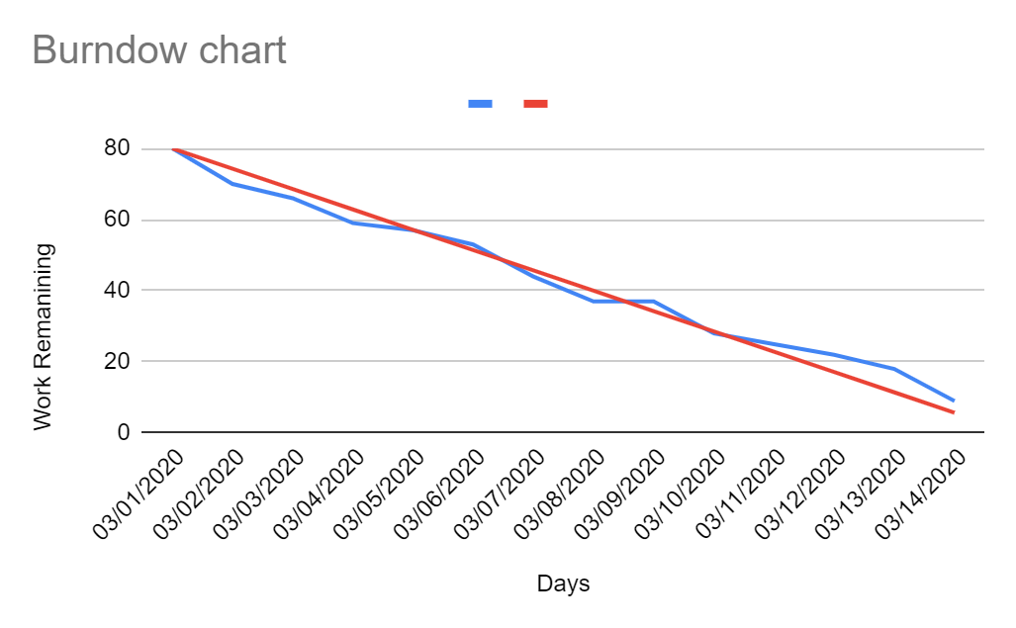
 |  |  |  |  | Week #1 (10 hrs / week) |  |  |  |  |  |  | Week #2 (10 hrs / week)
Backlog Item | Task | Task Owner | Initial Estimate (Total Sprint Hours = 20 x 4) |  | D1 | D2 | D3 | D4 | D5 | D6 | D7 | D8 | D9 | D10 | D11 | D12 | D13 | D14 |  |  | Ideal
 |  |  |  | Date | 2020-03-15 | 2020-03-16 | 2020-03-17 | 2020-03-18 | 2020-03-19 | 2020-03-20 | 2020-03-21 | 2020-03-22 | 2020-03-23 | 2020-03-24 | 2020-03-25 | 2020-03-26 | 2020-03-27 | 2020-03-28 | Dates | 80 | 80
 |  |  |  |  |  |  |  |  |  |  |  |  |  |  |  |  |  |  | 03/01/2020 | 70 | 74.285714286 | Ideal Burndown
 |  |  | 80 | Remaining Work | 70 | 66 | 59 | 57 | 53 | 44 | 37 | 37 | 28 | 25 | 22 | 18 | 9 | 0 | 03/02/2020 | 66 | 68.571428571 | Remaining Hrs (Total)
 | Make changes to Database Schema | Vishal | 10 |  | 8 | 7 | 7 | 6 | 6 | 6 | 5 | 5 | 3 | 3 | 3 | 1 | 0 | 0 | 03/03/2020 | 59 | 62.857142857
 | Develop Front End GUI Base | Vamsi | 10 |  | 8 | 8 | 7 | 7 | 7 | 5 | 4 | 4 | 4 | 2 | 2 | 1 | 0 | 0 | 03/04/2020 | 57 | 57.142857143
 | Set up Backend Calls and DB Connections | Vishal | 10 |  | 7 | 7 | 7 | 6 | 5 | 5 | 4 | 4 | 2 | 2 | 2 | 2 | 2 | 0 | 03/05/2020 | 53 | 51.428571429
 | Develop Admin Related Pages | Sri Hari | 8 |  | 9 | 8 | 7 | 7 | 7 | 4 | 3 | 3 | 1 | 1 | 1 | 1 | 1 | 0 | 03/06/2020 | 44 | 45.714285714
 | Develop payment and management related Pages | Dhanasree | 10 |  | 8 | 8 | 6 | 6 | 6 | 6 | 5 | 5 | 5 | 5 | 3 | 3 | 2 | 0 | 03/07/2020 | 37 | 40
 | Develop User related pages | Dhanasree | 10 |  | 8 | 8 | 8 | 8 | 8 | 6 | 6 | 6 | 5 | 4 | 4 | 4 | 2 | 0 | 03/08/2020 | 37 | 34.285714286
 | Develop Dashboard for management | Sri Hari | 10 |  | 10 | 10 | 8 | 8 | 7 | 6 | 5 | 5 | 5 | 5 | 5 | 4 | 1 | 0 | 03/09/2020 | 28 | 28.571428571
Develop Base Pages | Scrum Organization | SriHari | 2 |  | 2 | 2 | 2 | 2 | 2 | 1 | 1 | 1 | 1 | 1 | 1 | 1 | 0 | 0 | 03/10/2020 | 25 | 22.857142857
 | Gmap Integration | Vamsi | 10 |  | 10 | 8 | 7 | 7 | 5 | 5 | 4 | 4 | 2 | 2 | 1 | 1 | 1 | 0 | 03/11/2020 | 22 | 17.142857143
 |  |  |  |  |  |  |  |  |  |  |  |  |  |  |  |  |  |  | 03/12/2020 | 18 | 11.428571429
Team: |  |  |  |  |  |  |  |  |  |  |  |  |  |  |  |  |  |  | 03/13/2020 | 9 | 5.7142857143
Dhanasree | 10 hours / Week |  |  |  |  |  |  |  |  |  |  |  |  |  |  |  |  |  | 03/14/2020 | 0 | 0
Sri Hari | 10 hours / Week
Vamsi | 10 hours / Week
Vishal | 10 hours / Week

Total Available Hours During Sprint: | 80

Sprint Tracker 3
 | 80 | 80
 | 72 | 74.285714286
 | 68 | 68.571428571
 | 61 | 62.857142857
 | 60 | 57.142857143
 | 57 | 51.428571429
 | 46 | 45.714285714
 | 37 | 40
 | 37 | 34.285714286
 | 27 | 28.571428571
 | 27 | 22.857142857
 | 27 | 17.142857143
 | 19 | 11.428571429
 | 9 | 5.7142857143
 | 0 | 0
April1st -14th |  |  |  |  | Week #1 (10 hrs / week) |  |  |  |  |  |  | Week #2 (10 hrs / week)
Backlog Item | Task | Task Owner | Initial Estimate (Total Sprint Hours = 20 x 4) |  | D1 | D2 | D3 | D4 | D5 | D6 | D7 | D8 | D9 | D10 | D11 | D12 | D13 | D14 | Dates |  | Ideal
 |  |  |  | Date | 2020-04-01 | 2020-04-02 | 2020-04-03 | 2020-04-04 | 2020-04-05 | 2020-04-06 | 2020-04-07 | 2020-04-08 | 2020-04-09 | 2020-04-10 | 2020-04-11 | 2020-04-12 | 2020-04-13 | 2020-04-14 | 04/01/2020 | 80 | 80
 |  |  |  |  |  |  |  |  |  |  |  |  |  |  |  |  |  |  | 04/02/2020 | 72 | 74.285714286 | Ideal Burndown
 |  |  | 80 | Remaining Work | 72 | 68 | 61 | 60 | 57 | 46 | 37 | 37 | 27 | 27 | 25 | 19 | 9 | 0 | 04/04/2020 | 68 | 68.571428571 | Remaining Hrs (Total)
Develop Functionality | Backend GRPC Interface | Vishal | 10 |  | 10 | 9 | 8 | 8 | 8 | 6 | 5 | 5 | 3 | 3 | 3 | 1 | 0 | 0 | 04/04/2020 | 61 | 62.857142857
 | Set up Login and Logout | Vamsi | 8 |  | 9 | 8 | 7 | 7 | 7 | 5 | 4 | 4 | 2 | 2 | 2 | 1 | 0 | 0 | 04/05/2020 | 60 | 57.142857143
 | Set Up Proto buffs | Vishal | 10 |  | 8 | 7 | 7 | 6 | 5 | 5 | 4 | 4 | 2 | 2 | 2 | 2 | 2 | 0 | 04/06/2020 | 57 | 51.428571429
 | Develop Admin Dashboard | Sri Hari | 10 |  | 9 | 9 | 7 | 7 | 7 | 4 | 3 | 3 | 2 | 2 | 1 | 1 | 1 | 0 | 04/07/2020 | 46 | 45.714285714
 | Develop Membership | Dhanasree | 10 |  | 8 | 8 | 6 | 6 | 6 | 6 | 5 | 5 | 5 | 5 | 4 | 3 | 2 | 0 | 04/08/2020 | 37 | 40
 | Frontend Membership Page | Dhanasree | 10 |  | 8 | 8 | 8 | 8 | 8 | 6 | 6 | 6 | 5 | 5 | 5 | 4 | 2 | 0 | 04/09/2020 | 37 | 34.285714286
 | Develop Admin Add,Delete Vehicle | Sri Hari | 10 |  | 9 | 9 | 8 | 8 | 8 | 8 | 5 | 5 | 4 | 4 | 4 | 4 | 1 | 0 | 04/10/2020 | 27 | 28.571428571
 | Scrum Organization | Vamsi | 2 |  | 2 | 2 | 2 | 2 | 2 | 1 | 1 | 1 | 1 | 1 | 1 | 1 | 0 | 0 | 04/11/2020 | 27 | 22.857142857
 | Base home and Login, Signup, Header Setup | Vamsi | 10 |  | 9 | 8 | 8 | 8 | 6 | 5 | 4 | 4 | 3 | 3 | 3 | 2 | 1 | 0 | 04/12/2020 | 27 | 17.142857143
 |  |  |  |  |  |  |  |  |  |  |  |  |  |  |  |  |  |  | 04/13/2020 | 19 | 11.428571429
Team: |  |  |  |  |  |  |  |  |  |  |  |  |  |  |  |  |  |  | 04/14/2020 | 9 | 5.7142857143
Dhanasree | 10 hours / Week |  |  |  |  |  |  |  |  |  |  |  |  |  |  |  |  |  | 04/15/2020 | 0 | 0
Sri Hari | 10 hours / Week
Vamsi | 10 hours / Week
Vishal | 10 hours / Week

Total Available Hours During Sprint: | 80

Sprint Tracker 4
03/01/2020 | 80 | 80
03/02/2020 | 72 | 74.285714286
03/03/2020 | 66 | 68.571428571
03/04/2020 | 59 | 62.857142857
03/05/2020 | 56 | 57.142857143
03/06/2020 | 53 | 51.428571429
03/07/2020 | 44 | 45.714285714
03/08/2020 | 37 | 40
03/09/2020 | 36 | 34.285714286
03/10/2020 | 28 | 28.571428571
03/11/2020 | 25 | 22.857142857
03/12/2020 | 22 | 17.142857143
03/13/2020 | 18 | 11.428571429
03/14/2020 | 9 | 5.7142857143
 | 0 | 0
April15th-31st |  |  |  |  | Week #1 (10 hrs / week) |  |  |  |  |  |  | Week #2 (10 hrs / week)
Backlog Item | Task | Task Owner | Initial Estimate (Total Sprint Hours = 20 x 4) |  | D1 | D2 | D3 | D4 | D5 | D6 | D7 | D8 | D9 | D10 | D11 | D12 | D13 | D14 |  |  | Ideal
 |  |  |  | Date | 2020-03-15 | 2020-03-16 | 2020-03-17 | 2020-03-18 | 2020-03-19 | 2020-03-20 | 2020-03-21 | 2020-03-22 | 2020-03-23 | 2020-03-24 | 2020-03-25 | 2020-03-26 | 2020-03-27 | 2020-03-28 | Dates | 80 | 80
 |  |  |  |  |  |  |  |  |  |  |  |  |  |  |  |  |  |  | 03/01/2020 | 72 | 74.285714286 | Ideal Burndown
 |  |  | 80 | Remaining Work | 72 | 66 | 59 | 56 | 53 | 44 | 37 | 36 | 28 | 25 | 22 | 18 | 9 | 0 | 03/02/2020 | 66 | 68.571428571 | Remaining Hrs (Total)
 | Design of Microservice and Nodejs Integration | Vishal | 10 |  | 9 | 7 | 7 | 6 | 6 | 6 | 5 | 5 | 3 | 3 | 3 | 1 | 0 | 0 | 03/03/2020 | 59 | 62.857142857
 | Develop User regsitration | Vamsi | 10 |  | 8 | 8 | 7 | 7 | 7 | 5 | 4 | 3 | 3 | 2 | 2 | 1 | 0 | 0 | 03/04/2020 | 56 | 57.142857143
 | Development of Admin and Backend Connections | Vishal | 10 |  | 8 | 7 | 7 | 6 | 5 | 5 | 4 | 4 | 2 | 2 | 2 | 2 | 2 | 0 | 03/05/2020 | 53 | 51.428571429
 | Development of Assign and Reassign Location | Sri Hari | 10 |  | 9 | 8 | 7 | 7 | 7 | 4 | 3 | 3 | 1 | 1 | 1 | 1 | 1 | 0 | 03/06/2020 | 44 | 45.714285714
 | Develop payment and management related Pages | Dhanasree | 10 |  | 8 | 8 | 6 | 6 | 6 | 6 | 5 | 5 | 5 | 5 | 3 | 3 | 2 | 0 | 03/07/2020 | 37 | 40
 | Develop User related pages | Dhanasree | 10 |  | 9 | 8 | 8 | 8 | 8 | 6 | 6 | 6 | 5 | 4 | 4 | 4 | 2 | 0 | 03/08/2020 | 36 | 34.285714286
 | Develop Dashboard for management | Sri Hari | 10 |  | 10 | 10 | 8 | 8 | 7 | 6 | 5 | 5 | 5 | 5 | 5 | 4 | 1 | 0 | 03/09/2020 | 28 | 28.571428571
Integration of 3 Layers | Scrum Organization | Dhanasree | 2 |  | 2 | 2 | 2 | 2 | 2 | 1 | 1 | 1 | 1 | 1 | 1 | 1 | 0 | 0 | 03/10/2020 | 25 | 22.857142857
 | Development of User to Car Allocation | Vamsi | 10 |  | 9 | 8 | 7 | 6 | 5 | 5 | 4 | 4 | 3 | 2 | 1 | 1 | 1 | 0 | 03/11/2020 | 22 | 17.142857143
 |  |  |  |  |  |  |  |  |  |  |  |  |  |  |  |  |  |  | 03/12/2020 | 18 | 11.428571429
Team: |  |  |  |  |  |  |  |  |  |  |  |  |  |  |  |  |  |  | 03/13/2020 | 9 | 5.7142857143
Dhanasree | 10 hours / Week |  |  |  |  |  |  |  |  |  |  |  |  |  |  |  |  |  | 03/14/2020 | 0 | 0
Sri Hari | 10 hours / Week
Vamsi | 10 hours / Week
Vishal | 10 hours / Week

Total Available Hours During Sprint: | 80

Sprint Tracker 5
May 1-9th |  |  |  |  | Week #1 (10 hrs / week) |  |  |  |  |  |  | Week #2 (10 hrs / week)
Backlog Item | Task | Task Owner | Initial Estimate (Total Sprint Hours = 20 x 4) |  | D1 | D2 | D3 | D4 | D5 | D6 | D7 | D8 | D9 | D10 | D11 | D12 | D13 | D14
 |  |  |  | Date | 2020-05-01 | 2020-05-02 | 2020-05-03 | 2020-05-04 | 2020-05-05 | 2020-05-06 | 2020-05-07 | 2020-05-08 | 2020-05-09
 |  |  |  |  |  |  |  |  |  |  |  |  |  |  |  |  |  |  | Ideal Burndown
 |  |  | 80 | Remaining Work | 72 | 68 | 59 | 56 | 53 | 44 | 37 | 36 | 30 | 0 |  | 0 | 0 | 0 | Remaining Hrs (Total)
Integration | Integration of GRPC and Node | Vishal | 10 |  | 9 | 9 | 7 | 6 | 6 | 6 | 5 | 5 | 5 | 0 |  | 0 | 0 | 0
 | Deployment of Frontend, Microservices | Vamsi | 10 |  | 8 | 8 | 7 | 7 | 7 | 5 | 4 | 3 | 3 | 0 |  | 0 | 0 | 0
 | Final Integaration and Bug Fixes | Vishal | 10 |  | 8 | 7 | 7 | 6 | 5 | 5 | 4 | 4 | 2 | 0 |  | 0 | 0 | 0
 | Deployment of Backend | Sri Hari | 10 |  | 9 | 8 | 7 | 7 | 7 | 4 | 3 | 3 | 1 | 0 |  | 0 | 0 | 0
 | Autoscaling and Documentation | Dhanasree | 10 |  | 8 | 8 | 6 | 6 | 6 | 6 | 5 | 5 | 5 | 0 |  | 0 | 0 | 0
 | Integrate Membership | Dhanasree | 10 |  | 9 | 8 | 8 | 8 | 8 | 6 | 6 | 6 | 5 | 0 |  | 0 | 0 | 0
 | Load Balancing and Backend Autoscaling | Sri Hari | 10 |  | 10 | 10 | 8 | 8 | 7 | 6 | 5 | 5 | 5 | 0 |  | 0 | 0 | 0
Deployment and Load Balancing | Scrum Organization and tracking | Vishal | 2 |  | 2 | 2 | 2 | 2 | 2 | 1 | 1 | 1 | 1 | 0 |  | 0 | 0 | 0
 | Load balancing of Microservices and Deployment | Vamsi | 10 |  | 9 | 8 | 7 | 6 | 5 | 5 | 4 | 4 | 3 | 0 |  | 0 | 0 | 0

Team:
Dhanasree | 10 hours / Week
Sri Hari | 10 hours / Week
Vamsi | 10 hours / Week
Vishal | 10 hours / Week

Total Available Hours During Sprint: | 80

 | 80 | 80
 | 72 | 70
 | 68 | 60
 | 59 | 50
 | 56 | 40
 | 44 | 30
 | 37 | 20
 | 36 | 10
 | 30 | 0
 | 0 | 0

BurnDown Chart 3
Dates |  | Ideal
04/01/2020 | 80 | 80
04/02/2020 | 72 | 74.285714286
04/04/2020 | 68 | 68.571428571
04/04/2020 | 61 | 62.857142857
04/05/2020 | 60 | 57.142857143
04/06/2020 | 57 | 51.428571429
04/07/2020 | 46 | 45.714285714
04/08/2020 | 37 | 40
04/09/2020 | 37 | 34.285714286
04/10/2020 | 27 | 28.571428571
04/11/2020 | 27 | 22.857142857
04/12/2020 | 27 | 17.142857143
04/13/2020 | 19 | 11.428571429
04/14/2020 | 9 | 5.7142857143
04/15/2020 | 0 | 0

 |  | 72 | 68 | 61 | 60 | 57 | 46 | 37 | 37 | 27 | 27 | 25 | 19 | 9 | 0

BurnDown Chart 4
 |  | Ideal
Dates | 80 | 80
03/01/2020 | 72 | 74.285714286
03/02/2020 | 66 | 68.571428571
03/03/2020 | 59 | 62.857142857
03/04/2020 | 56 | 57.142857143
03/05/2020 | 53 | 51.428571429
03/06/2020 | 44 | 45.714285714
03/07/2020 | 37 | 40
03/08/2020 | 36 | 34.285714286
03/09/2020 | 28 | 28.571428571
03/10/2020 | 25 | 22.857142857
03/11/2020 | 22 | 17.142857143
03/12/2020 | 18 | 11.428571429
03/13/2020 | 9 | 5.7142857143
03/14/2020 | 0 | 0

